Dashboard
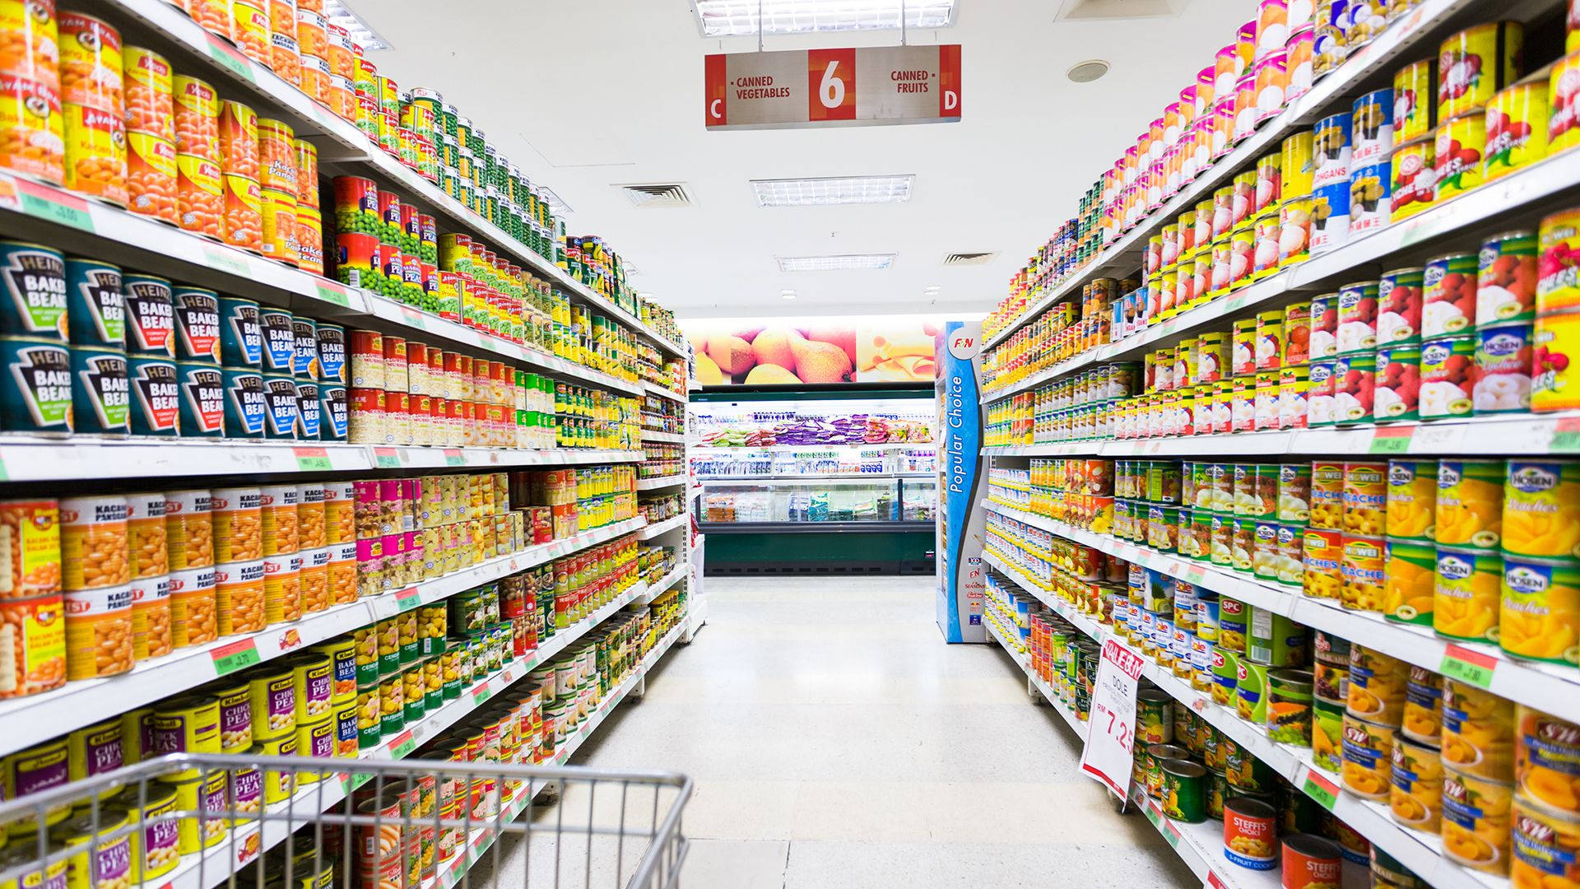
SUPERSTORE DATA ANALYSIS
Sales and Profit of top 10 states
 | Sum of Sales | Sum of Profit
California | 50899.7525 | 2516.3744
Florida | 7278.6935 | -903.6911
Michigan | 13823.1 | 2876.1579
New York | 24892.427 | 468.5527
Ohio | 10184.278 | -2947.2123
Pennsylvania | 7717.411 | -1182.6145
Texas | 17773.9318 | -3441.6757
Virginia | 6953.02 | 1558.4774
Washington | 13646.66 | 2027.6135
Wisconsin | 8551.81 | 2169.9742

Profit by Category
 | Total
Bookcases | 638.4502
Chairs | 8344.6565
Furnishings | 3508.2077
Tables | -4906.4986

Discount on Top 5 category by quantity
 | Sum of Discount | Sum of Quantity
Bookcases | 14 | 271
Chairs | 31.5 | 719
Furnishings | 39.4 | 1086
Tables | 27.55 | 419
Sales, Profit with quantity of Categorey
 | Sum of Sales | Sum of Profit | Sum of Quantity
Bookcases | 34005.9243 | 638.4502 | 271
Chairs | 99140.878 | 8344.6565 | 719
Furnishings | 25001.266 | 3508.2077 | 1086
Tables | 70871.7175 | -4906.4986 | 419

